PlanarityTolerance
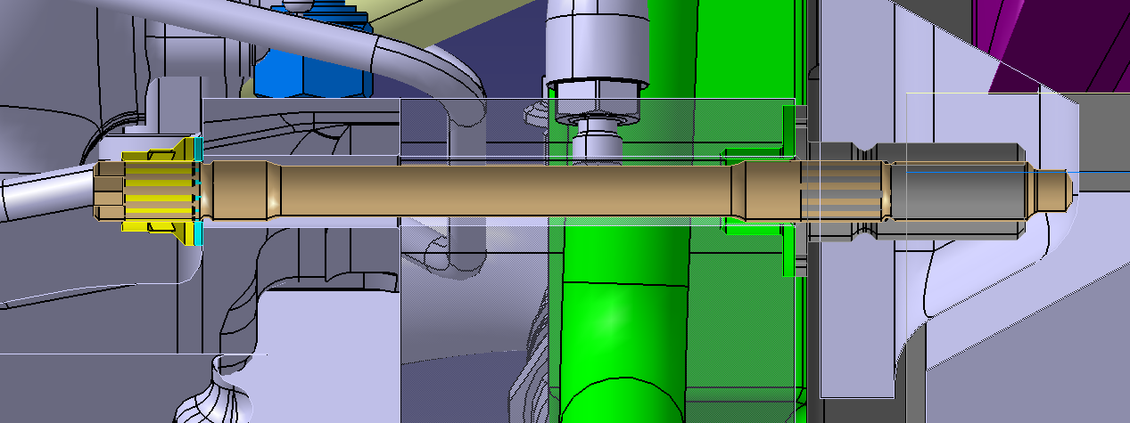
Timing cover planarity estimation
 | Minimum material | Maximum material
Monocoque | -0.1 | 0.1
Threaded bush | -0.02 | 0.02
Engine top Hat | -0.02 | 0.02
Timing cover | -0.1 | 0.1
Total | -0.24 | 0.24

Misalignment stress

Clamp length | 160 | mm
Worst case misalignment | 0.48 | mm
Worst case misalignment | 0.0030000045 | rad
Worst case misalignment | 0.17188759637 | deg

Stud characteristics
Stud young modulus | 210000 | MPa
Stud diameter 1 | 11 | mm
Inertia section 1 | 718.68840689 | mm^4
Stud length 1 | 108 | mm
Stud diameter 2 | 13 | mm
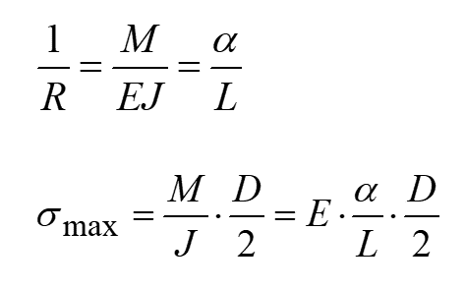
Inertia section 2 | 1401.984809 | mm^4
Stud length 2 | 121 | mm

Stress
Stress section 1 | 32.1 | MPa
Stress section 2 | 33.8 | MPa

PositionTolerance
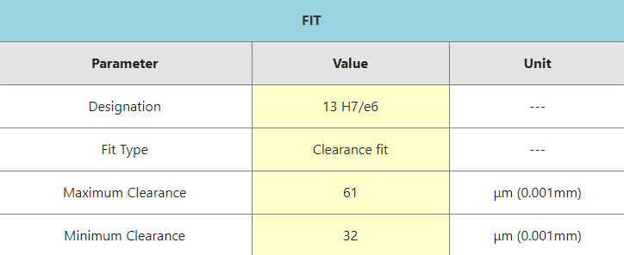
Monocoque position tolerance | 0.05 | mm
Timing cover position tolerance | 0.05 | mm
Bushing max diam | 13.018 | mm | H7
Bushing min diam | 13 | mm
Stud min diam | 12.957 | mm | e6
Stud max diam | 12.968 | mm

MMVS bushing | 12.95 | mm
LMVS bushing | 13.068 | mm
MMVS stud | 13.018 | mm
LMVS stud | 12.907 | mm

MMC | -0.068 | mm
LMC | 0.161 | mm

